Example Schedule
Instructions: Use the Drop Down list in each cell to select courses. A Green Check will appear when a course is selected.
 | Changes will automatically populate on the Checklist tab.

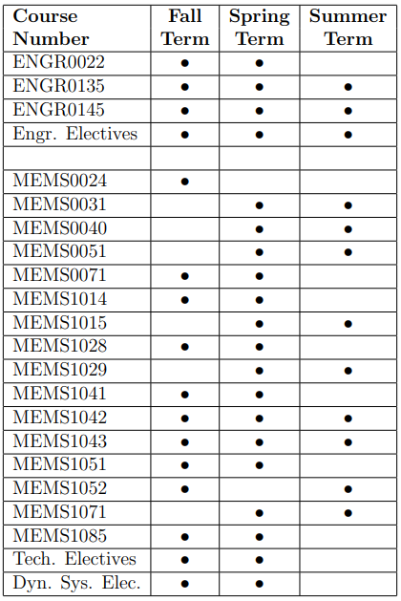
(Note: Students are required to register for MEMS 1085 - Departmental Seminar each semester) |  |  |  | ME Curriculum Courses
YEAR 1 | Fall | Spring | Summer | MATH 0220: Anal Geom/Calc 1 | 1
 |  |  |  | MATH 0230: Anal Geom/Calc 2 | 1
 | MATH 0220: Anal Geom/Calc 1 | MATH 0230: Anal Geom/Calc 2 |  | MATH 0240: Anal Geom/Calc 3 | 1
 | CHEM 0960: Gen. Chem for Engr. 1 | CHEM 0970: Gen. Chem for Engr. 2 |  | MATH 0280: Matrices & Lin. Alg. | 1
 | PHYS 0174: Phys. for Sci. & Engr. 1 | PHYS 0175: Phys. for Sci. & Engr. 2 |  | MATH 0290: Differential Equations | 1
 | ENGR 0011: Intro. to Engr. Analysis | ENGR 0012: Engr. Computing |  | CHEM 0960: Gen. Chem for Engr. 1 | 1
 | Humanity Elective | Communication Skills Elective |  | CHEM 0970: Gen. Chem for Engr. 2 | 1
 |  |  |  | PHYS 0174: Phys. for Sci. & Engr. 1 | 1
 | Notes: ENGCMP0210 counts as Humanity elective | Notes: ENGCMP0412 is a 'W' course and either Comm. Skills or Hum/SS. | Notes: ENGCMP0210 and ENGCMP0412 combine to fulfill the Depth requirement | PHYS 0175: Phys. for Sci. & Engr. 2 | 1
 |  |  |  | Humanity Elective | 1
 |  |  |  | Social Science Elective | 1
YEAR 2 | Fall | Spring | Summer | Humanity/ Soc. Sci Elective | 4
 |  |  |  | Humanity/ Soc. Sci Elective | 4
 | MATH 0240: Anal Geom/Calc 3 | MATH 0290: Differential Equations |  | Humanity/ Soc. Sci Elective | 4
 | MATH 0280: Matrices & Lin. Alg. | ENGR 0145: Statics & Mech. of Mater. 2 |  | Humanity/ Soc. Sci Elective | 4
 | ENGR 0022: Mat. Struct. & Prop. | MEMS 0031: Electrical Circuits |  | Communication Skills Elective | 1
 | ENGR 0135: Statics & Mech. of Mater. 1 | MEMS 0051: Intro. to Thermodynamics |  | ENGR 0011: Intro. to Engr. Analysis | 1
 | MEMS 0024: Intro. to ME Design | MEMS 1015: Rigid-Body Dynamics |  | ENGR 0012: Engr. Computing | 1
 |  | Humanity/ Soc. Sci Elective |  | ENGR 0022: Mat. Struct. & Prop. | 1
 | Notes: | Notes: | Notes: | ENGR 0135: Statics & Mech. of Mater. 1 | 1
 |  |  |  | ENGR 0145: Statics & Mech. of Mater. 2 | 1
 |  |  |  | MEMS 0024: Intro. to ME Design | 1
YEAR 3 | Fall | Spring | Summer | MEMS 0031: Electrical Circuits | 1
 |  |  |  | MEMS 0040: Materials & Manufacturing | 1
 | MEMS 0071: Intro. to Fluid Mech. | MEMS 0040: Materials & Manufacturing |  | MEMS 0051: Intro. to Thermodynamics | 1
 | MEMS 1014: Dynamic Systems | MEMS 1029: Mechanical Design 2 |  | MEMS 0071: Intro. to Fluid Mech. | 1
 | MEMS 1028: Mechanical Design 1 | MEMS 1041: Mech. Measurements 1 |  | MEMS 1014: Dynamic Systems | 1
 | Open Elective | Engineering Elective |  | MEMS 1015: Rigid-Body Dynamics | 1 | List Minors or Certificates Below:
 | Social Science Elective | Humanity/ Soc. Sci Elective |  | MEMS 1028: Mechanical Design 1 | 1
 |  |  |  | MEMS 1029: Mechanical Design 2 | 1
 | Notes: | Notes: | Notes: | MEMS 1041: Mech. Measurements 1 | 1
 |  |  |  | MEMS 1042: Mech. Measurements 2 | 1
 |  |  |  | MEMS 1043: Senior Design Project | 1
YEAR 4 | Fall | Spring | Summer | MEMS 1052: Heat & Mass Transfer | 1 | List Elective Courses Below:
 |  |  |  | Open Elective | 1
 | MEMS 1042: Mech. Measurements 2 | MEMS 1043: Senior Design Project |  | Engineering Elective | 1
 | MEMS 1052: Heat & Mass Transfer | ME Technical Elective |  | Dynamic Systems Elective | 1
 | Dynamic Systems Elective | ME Technical Elective |  | ME Technical Elective | 4
 | ME Technical Elective | ME Technical Elective |  | ME Technical Elective | 4
 | Humanity/ Soc. Sci Elective | Humanity/ Soc. Sci Elective |  | ME Technical Elective | 4
 |  |  |  | ME Technical Elective | 4
 | Notes: | Notes: | Notes: | CO-OP Rotation 1 | 0
 |  |  |  | CO-OP Rotation 2 | 0
 |  |  |  | CO-OP Rotation 3 | 0
YEAR 5 | Fall | Spring | Summer

 | Notes: | Notes: | Notes:

Additional Notes: - Students are required to register for MEMS 1085 - Departmental Seminar each semester, unless there is a time coflict with another course in which case you are required to email undrmems@pitt.edu at the beginning of the semester to request a waiver.

 | Useful MEMS Links | https://www.engineering.pitt.edu/Departments/MEMS/_Content/Undergraduate/Student-Resources/
 | ME Program Manual | https://www.engineering.pitt.edu/globalassets/departments/mechanical-and-materials-science/docs/student-resources/memanual2020.pdf
 | ME Technical Electives: | https://www.engineering.pitt.edu/contentassets/b4a81b54dc4946648eab2a4de81654e0/approved-electives-03-18-21.pdf
 | Humanity/Social Science Electives: | https://catalog.upp.pitt.edu/content.php?catoid=188&navoid=17732
 | Pitt Class Search: | https://psmobile.pitt.edu/app/catalog/classSearch
 | Pathways Appointment Scheduling: | https://pitt.guide.eab.com/app/#!/authentication/remote/
 | Registration Information | http://www.registrar.pitt.edu/students/enrollment

